LDV psg
During review, checking, and calibration, we noted a shortfall in GHG
emissions in transportation
While not specific enough to be translated directly to EPS categories, these data provide
clear indication of under counting in initial input data.
We re-calibrate initial stock (i.e., this variable, start year vehicles by technology for LDVs)
to align with new information.

25467663 |  | These do not include trucks. These also overlap with BEV and PHEV vehicles categories.
 |  | These opposite effects are considered to canceled each other out, and this
 |  | stock is used for LDV gas

2017 data
CA DMV data on registrations
https://www.dmv.ca.gov/portal/wcm/connect/5aa16cd3-39a5-402f-9453-0d353706cc9a/official.pdf?MOD=AJPERES

"Non-CVRA Trucks/Coml. Vehicles *" = these include pickup trucks
"Includes pickup trucks and vehicles used or maintained for hire or for transportation of persons or of property"

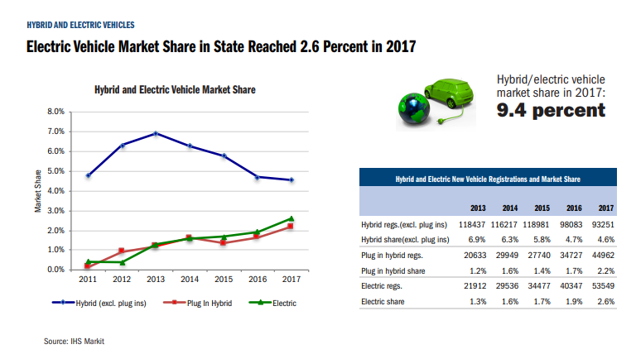

updated electric
BEV | 1.82E+05
PHEV | 158100

California auto dealers association data below (aslo link to source)

 | 2013 | 2014 | 2015 | 2016 | 2017
BEV | 22000 | 30000 | 35000 | 40000 | 54500 | 181500
PEV | 20600 | 29500 | 28000 | 35000 | 45000 | 158100

https://www.cncda.org/wp-content/uploads/California-Covering-4Q-2017-1.pdf

 | 2017 | 2018 | 2019 | 2020 | 2021 | 2022 | 2023 | 2024 | 2025 | 2026 | 2027 | 2028 | 2029 | 2030 | 2031 | 2032 | 2033 | 2034 | 2035 | 2036 | 2037 | 2038 | 2039 | 2040 | 2041 | 2042 | 2043 | 2044 | 2045 | 2046 | 2047 | 2048 | 2049 | 2050
Reference Gasoline LDV | 7.21E+05 | 7.29E+05 | 7.43E+05 | 7.52E+05 | 7.64E+05 | 7.77E+05 | 7.88E+05 | 7.94E+05 | 7.99E+05 | 8.09E+05 | 8.16E+05 | 8.23E+05 | 8.32E+05 | 8.40E+05 | 8.48E+05 | 8.57E+05 | 8.66E+05 | 8.76E+05 | 8.87E+05 | 8.97E+05 | 9.07E+05 | 9.18E+05 | 9.28E+05 | 9.38E+05 | 9.51E+05 | 9.64E+05 | 9.77E+05 | 9.89E+05 | 9.99E+05 | 1.01E+06 | 1.02E+06 | 1.02E+06 | 1.03E+06 | 1.04E+06
BEV | 3.74E+04 | 5.83E+04 | 8.99E+04 | 1.24E+05 | 1.47E+05 | 1.94E+05 | 2.64E+05 | 3.48E+05 | 4.50E+05 | 5.67E+05 | 6.83E+05 | 8.09E+05 | 9.44E+05 | 1.09E+06 | 1.25E+06 | 1.42E+06 | 1.60E+06 | 1.80E+06 | 2.03E+06 | 2.27E+06 | 2.53E+06 | 2.82E+06 | 3.13E+06 | 3.46E+06 | 3.83E+06 | 4.22E+06 | 4.63E+06 | 5.06E+06 | 5.49E+06 | 5.93E+06 | 6.37E+06 | 6.82E+06 | 7.27E+06 | 7.72E+06
Hydrogen Fuel Cell | 1.03E+04 | 1.63E+04 | 2.52E+04 | 3.50E+04 | 4.64E+04 | 7.01E+04 | 1.05E+05 | 1.48E+05 | 2.01E+05 | 2.64E+05 | 3.36E+05 | 4.25E+05 | 5.27E+05 | 6.44E+05 | 7.88E+05 | 9.52E+05 | 1.14E+06 | 1.36E+06 | 1.61E+06 | 1.88E+06 | 2.18E+06 | 2.50E+06 | 2.84E+06 | 3.21E+06 | 3.60E+06 | 4.01E+06 | 4.44E+06 | 4.87E+06 | 5.31E+06 | 5.76E+06 | 6.19E+06 | 6.61E+06 | 7.01E+06 | 7.40E+06
SP Gasoline LDV | 2.43E+07 | 2.43E+07 | 2.45E+07 | 2.45E+07 | 2.47E+07 | 2.50E+07 | 2.52E+07 | 2.51E+07 | 2.51E+07 | 2.51E+07 | 2.51E+07 | 2.51E+07 | 2.49E+07 | 2.47E+07 | 2.45E+07 | 2.42E+07 | 2.38E+07 | 2.34E+07 | 2.29E+07 | 2.24E+07 | 2.18E+07 | 2.12E+07 | 2.05E+07 | 1.98E+07 | 1.90E+07 | 1.82E+07 | 1.74E+07 | 1.65E+07 | 1.57E+07 | 1.49E+07 | 1.42E+07 | 1.34E+07 | 1.26E+07 | 1.19E+07
SP PHEV25 | 1.23E+05 | 1.85E+05 | 2.77E+05 | 3.74E+05 | 4.23E+05 | 5.20E+05 | 6.62E+05 | 8.35E+05 | 1.03E+06 | 1.27E+06 | 1.52E+06 | 1.80E+06 | 2.10E+06 | 2.44E+06 | 2.76E+06 | 3.07E+06 | 3.37E+06 | 3.67E+06 | 3.97E+06 | 4.26E+06 | 4.57E+06 | 4.87E+06 | 5.18E+06 | 5.49E+06 | 5.85E+06 | 6.21E+06 | 6.57E+06 | 6.93E+06 | 7.14E+06 | 7.36E+06 | 7.58E+06 | 7.79E+06 | 8.00E+06 | 8.21E+06

Updated LDV data

Gas by E3 data | 2.50E+07

https://www.dmv.ca.gov/portal/wcm/connect/5aa16cd3-39a5-402f-9453-0d353706cc9a/official.pdf?MOD=AJPERES

Use motorvehicles

